GDD
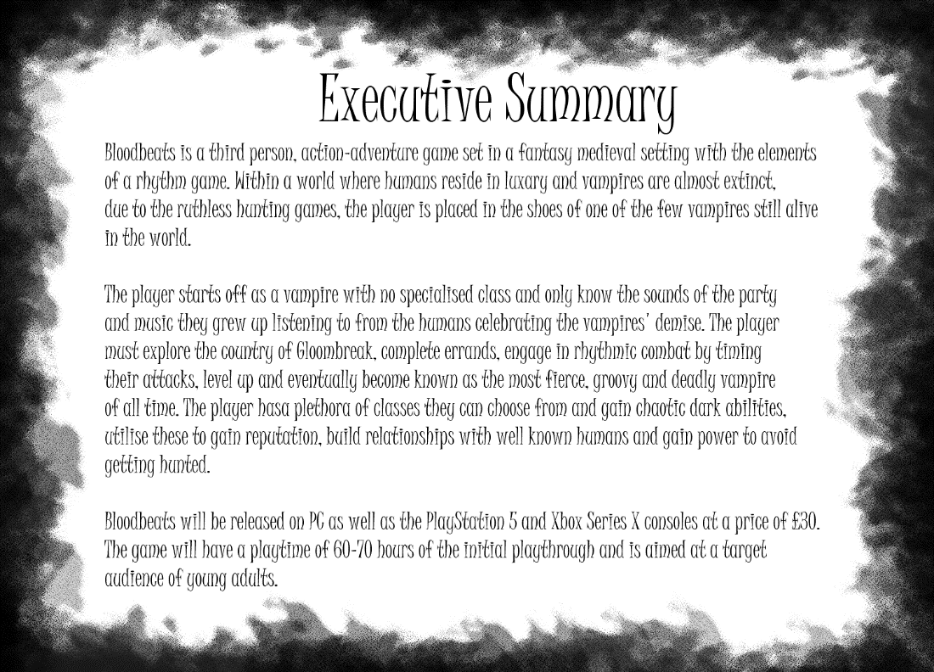

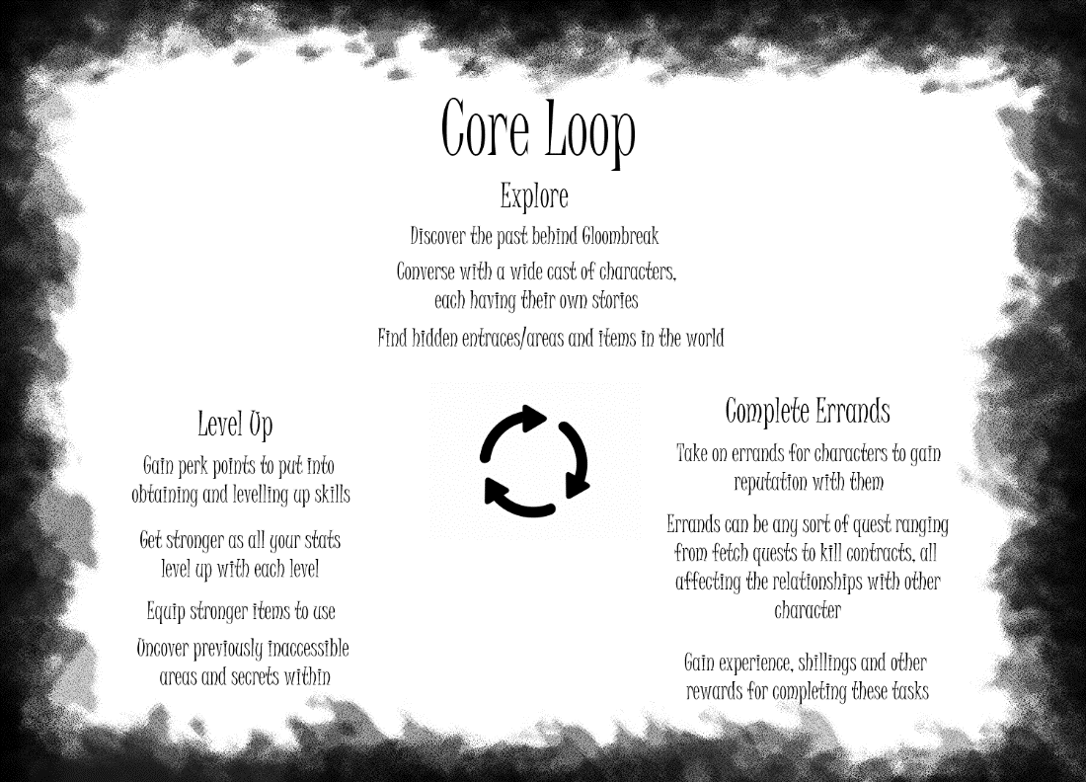
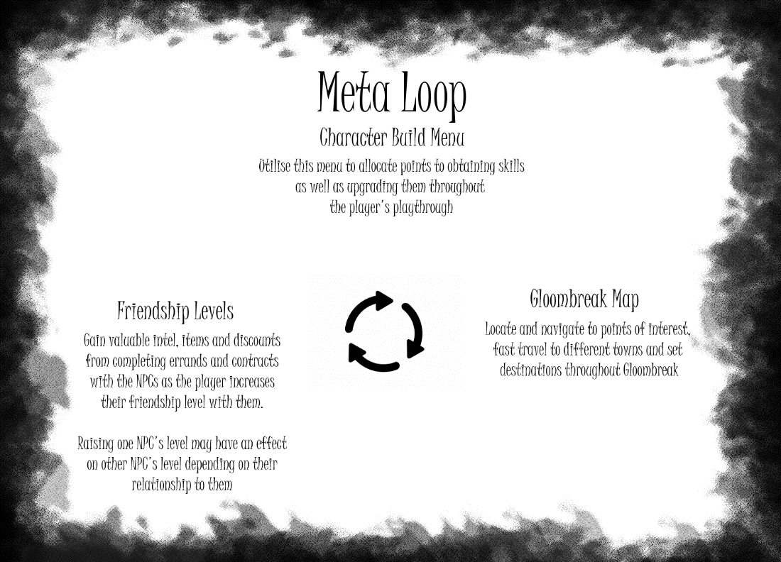
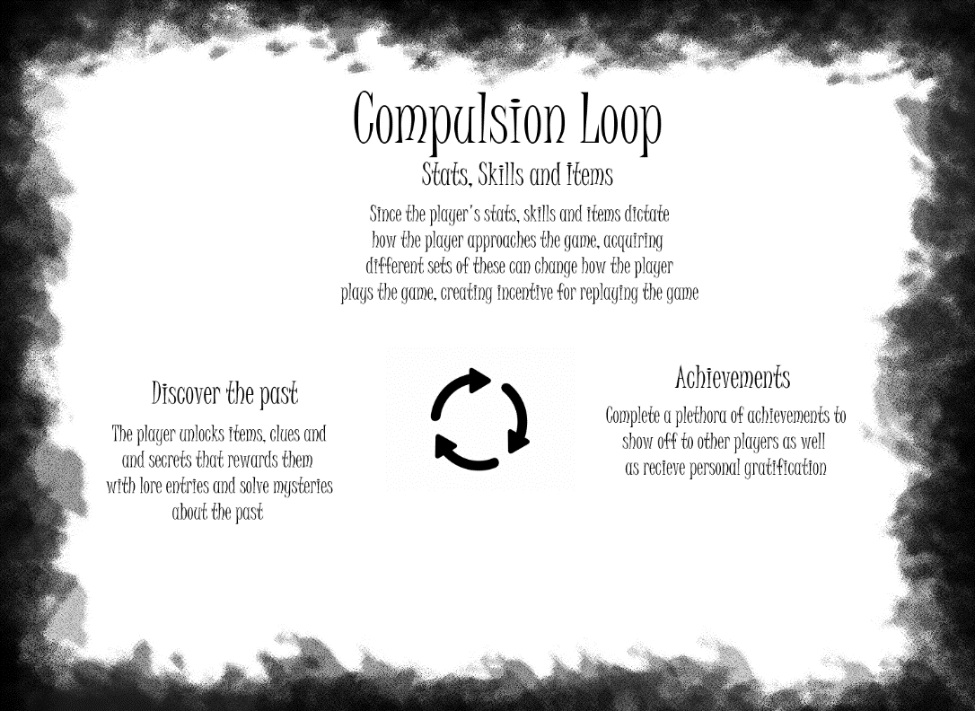

Levelling and Class Numerics
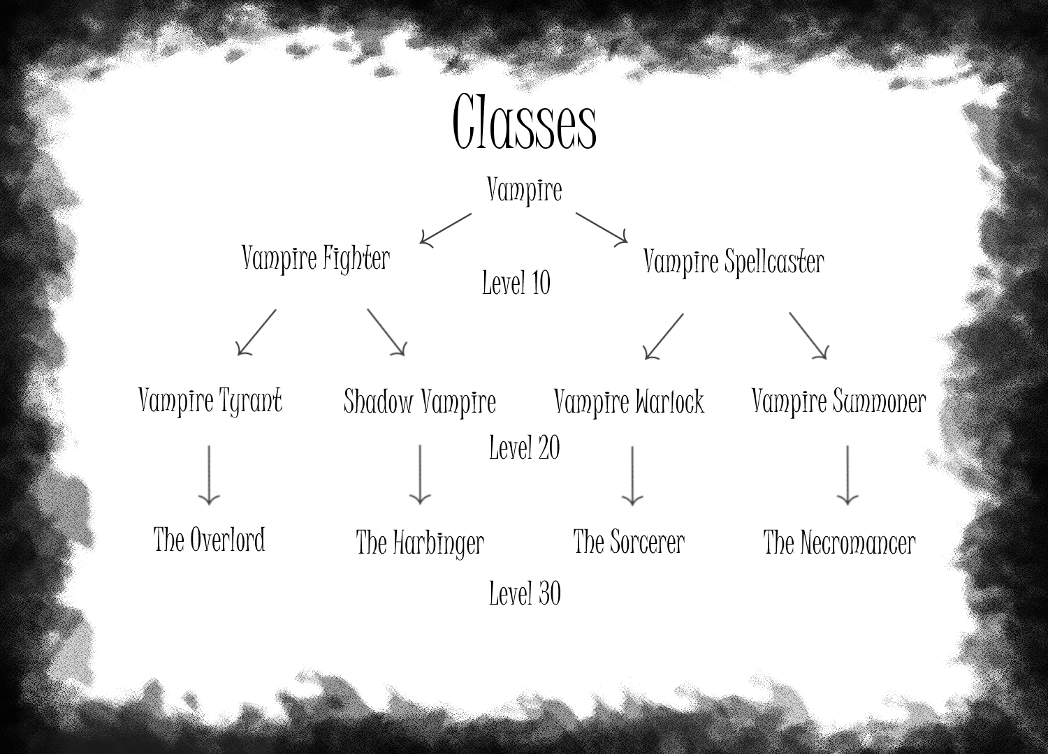
 |  |  |  |  | The player gets access to these class at their respective levels, giving them a substantial buff to stats as well as maxing out the stats at level 30 and reaching
 |  |  |  |  | their max rank on the class they've selected, earning them their respective title
Experience Requirement for All Levels
0 | 1
100 | 2
400 | 3
900 | 4
1600 | 5
2500 | 6
3600 | 7
4900 | 8
6400 | 9
8100 | 10
10000 | 11
12100 | 12
14400 | 13
16900 | 14
19600 | 15
22500 | 16
25600 | 17
28900 | 18
32400 | 19
36100 | 20
40000 | 21
44100 | 22
48400 | 23
52900 | 24
57600 | 25
62500 | 26
67600 | 27
72900 | 28
78400 | 29
84100 | 30

Experience Requirement from Levels 1-10
Experience Requirement from Levels 11-20
Experience Requirement from Levels 11-20

Class Levelling Templates | Change these templates to alter player attributes and stats

Vampire Levelling |  |  |  | Player Attributes |  |  |  |  |  | Player Stats

 |  | Class - Vampire | Experience Requirement | Level | Vitality | Power | Adrenaline | Faith | Bloodlust | Level | Health | Stamina | PhysicalDamage | ArcanaDamage | PhysicalResistance | ArcanaResistance | Bloodpool
VitalityIncreasePerLevel | 2 |  | 0 | 1 | 2 | 1 | 5 | 2 | 3 | 1 | 27 | 13 | 11 | 12 | 4 | 3 | 12
PowerIncreasePerLevel | 1 |  | 100 | 2 | 4 | 2 | 10 | 4 | 6 | 2 | 33 | 22 | 14 | 18 | 6 | 5 | 20
AdrenalineIncreasePerLevel | 5 |  | 400 | 3 | 6 | 3 | 15 | 6 | 9 | 3 | 43 | 37 | 19 | 28 | 10 | 9 | 32
FaithIncreasePerLevel | 2 |  | 900 | 4 | 8 | 4 | 20 | 8 | 12 | 4 | 57 | 58 | 26 | 42 | 15 | 15 | 48
BloodlustIncreasePerLevel | 3 |  | 1600 | 5 | 10 | 5 | 25 | 10 | 15 | 5 | 75 | 85 | 35 | 60 | 22 | 22 | 70
HealthAdditionPerLevel | 25 |  | 2500 | 6 | 12 | 6 | 30 | 12 | 18 | 6 | 97 | 118 | 46 | 82 | 30 | 31 | 96
StaminaAdditionPerLevel | 10 |  | 3600 | 7 | 14 | 7 | 35 | 14 | 21 | 7 | 123 | 157 | 59 | 108 | 40 | 41 | 128
PhysicalDamageAdditionPerLevel | 10 |  | 4900 | 8 | 16 | 8 | 40 | 16 | 24 | 8 | 153 | 202 | 74 | 138 | 51 | 53 | 164
ArcanaDamageAdditionPerLevel | 10 |  | 6400 | 9 | 18 | 9 | 45 | 18 | 27 | 9 | 187 | 253 | 91 | 172 | 64 | 67 | 204
PhysicalResistanceAdditionPerLevel | 3 |  | 8100 | 10 | 20 | 10 | 50 | 20 | 30 | 10 | 225 | 310 | 110 | 210 | 78 | 82 | 250
ArcanaResistanceAdditionPerLevel | 2
BloodpoolAdditionPerLevel | 10

Vampire Fighter Levelling |  |  |  | Player Attributes |  |  |  |  |  | Player Stats

 |  | Class - Vampire Fighter | Experience Requirement | Level | Vitality | Power | Adrenaline | Faith | Bloodlust | Level | Health | Stamina | PhysicalDamage | ArcanaDamage | PhysicalResistance | ArcanaResistance | Bloodpool
VitalityIncreasePerLevel | 3 |  | 10000 | 11 | 33 | 33 | 66 | 22 | 33 | 11 | 388 | 446 | 373 | 243 | 187 | 124 | 291
PowerIncreasePerLevel | 3 |  | 12100 | 12 | 36 | 36 | 72 | 24 | 36 | 12 | 457 | 528 | 442 | 289 | 221 | 147 | 347
AdrenalineIncreasePerLevel | 6 |  | 14400 | 13 | 39 | 39 | 78 | 26 | 39 | 13 | 532 | 618 | 517 | 339 | 259 | 172 | 407
FaithIncreasePerLevel | 2 |  | 16900 | 14 | 42 | 42 | 84 | 28 | 42 | 14 | 613 | 716 | 598 | 393 | 299 | 199 | 471
BloodlustIncreasePerLevel | 3 |  | 19600 | 15 | 45 | 45 | 90 | 30 | 45 | 15 | 700 | 820 | 685 | 451 | 343 | 228 | 541
HealthAdditionPerLevel | 25 |  | 22500 | 16 | 48 | 48 | 96 | 32 | 48 | 16 | 793 | 932 | 778 | 513 | 389 | 259 | 615
StaminaAdditionPerLevel | 10 |  | 25600 | 17 | 51 | 51 | 102 | 34 | 51 | 17 | 892 | 1050 | 877 | 579 | 439 | 292 | 695
PhysicalDamageAdditionPerLevel | 10 |  | 28900 | 18 | 54 | 54 | 108 | 36 | 54 | 18 | 997 | 1176 | 982 | 649 | 491 | 327 | 779
ArcanaDamageAdditionPerLevel | 1 |  | 32400 | 19 | 57 | 57 | 114 | 38 | 57 | 19 | 1108 | 1310 | 1093 | 723 | 547 | 364 | 867
PhysicalResistanceAdditionPerLevel | 5 |  | 36100 | 20 | 60 | 60 | 120 | 40 | 60 | 20 | 1225 | 1450 | 1210 | 801 | 605 | 403 | 961
ArcanaResistanceAdditionPerLevel | 3
BloodpoolAdditionPerLevel | 1

Vampire Spellcaster Levelling |  |  |  | Player Attributes |  |  |  |  |  | Player Stats

 |  | Class - Vampire Spellcaster | Experience Requirement | Level | Vitality | Power | Adrenaline | Faith | Bloodlust | Level | Health | Stamina | PhysicalDamage | ArcanaDamage | PhysicalResistance | ArcanaResistance | Bloodpool
VitalityIncreasePerLevel | 1.75 |  | 10000 | 11 | 19 | 11 | 46 | 44 | 55 | 11 | 234 | 314 | 122 | 494 | 86 | 141 | 494
PowerIncreasePerLevel | 1 |  | 12100 | 12 | 21 | 12 | 50 | 48 | 60 | 12 | 277 | 370 | 145 | 586 | 102 | 168 | 586
AdrenalineIncreasePerLevel | 4.2 |  | 14400 | 13 | 23 | 13 | 55 | 52 | 65 | 13 | 324 | 439 | 170 | 686 | 120 | 197 | 686
FaithIncreasePerLevel | 4 |  | 16900 | 14 | 25 | 14 | 59 | 56 | 70 | 14 | 375 | 506 | 197 | 794 | 140 | 229 | 794
BloodlustIncreasePerLevel | 5 |  | 19600 | 15 | 26 | 15 | 63 | 60 | 75 | 15 | 415 | 577 | 226 | 910 | 157 | 260 | 910
HealthAdditionPerLevel | 25 |  | 22500 | 16 | 28 | 16 | 67 | 64 | 80 | 16 | 473 | 653 | 257 | 1034 | 179 | 296 | 1034
StaminaAdditionPerLevel | 10 |  | 25600 | 17 | 30 | 17 | 71 | 68 | 85 | 17 | 535 | 734 | 290 | 1166 | 203 | 335 | 1166
PhysicalDamageAdditionPerLevel | 1 |  | 28900 | 18 | 32 | 18 | 76 | 72 | 90 | 18 | 601 | 831 | 325 | 1306 | 228 | 376 | 1306
ArcanaDamageAdditionPerLevel | 10 |  | 32400 | 19 | 33 | 19 | 80 | 76 | 95 | 19 | 652 | 922 | 362 | 1454 | 250 | 416 | 1454
PhysicalResistanceAdditionPerLevel | 3 |  | 36100 | 20 | 35 | 20 | 84 | 80 | 100 | 20 | 725 | 1018 | 401 | 1610 | 278 | 462 | 1610
ArcanaResistanceAdditionPerLevel | 2
BloodpoolAdditionPerLevel | 10

Vampire Tyrant Levelling |  |  |  | Player Attributes |  |  |  |  |  | Player Stats

 |  | Class - Vampire Tyrant | Experience Requirement | Level | Vitality | Power | Adrenaline | Faith | Bloodlust | Level | Health | Stamina | PhysicalDamage | ArcanaDamage | PhysicalResistance | ArcanaResistance | Bloodpool
VitalityIncreasePerLevel | 3 |  | 40000 | 21 | 63 | 84 | 126 | 42 | 63 | 21 | 1348 | 1598 | 1774 | 883 | 777 | 444 | 1059
PowerIncreasePerLevel | 4 |  | 44100 | 22 | 66 | 88 | 132 | 44 | 66 | 22 | 1477 | 1752 | 1946 | 969 | 852 | 487 | 1163
AdrenalineIncreasePerLevel | 6 |  | 48400 | 23 | 69 | 92 | 138 | 46 | 69 | 23 | 1612 | 1914 | 2126 | 1059 | 931 | 532 | 1271
FaithIncreasePerLevel | 2 |  | 52900 | 24 | 72 | 96 | 144 | 48 | 72 | 24 | 1753 | 2084 | 2314 | 1153 | 1013 | 579 | 1383
BloodlustIncreasePerLevel | 3 |  | 57600 | 25 | 75 | 100 | 150 | 50 | 75 | 25 | 1900 | 2260 | 2510 | 1251 | 1099 | 628 | 1501
HealthAdditionPerLevel | 25 |  | 62500 | 26 | 78 | 104 | 156 | 52 | 78 | 26 | 2053 | 2444 | 2714 | 1353 | 1188 | 679 | 1623
StaminaAdditionPerLevel | 10 |  | 67600 | 27 | 81 | 108 | 162 | 54 | 81 | 27 | 2212 | 2634 | 2926 | 1459 | 1281 | 732 | 1751
PhysicalDamageAdditionPerLevel | 10 |  | 72900 | 28 | 84 | 112 | 168 | 56 | 84 | 28 | 2377 | 2832 | 3146 | 1569 | 1377 | 787 | 1883
ArcanaDamageAdditionPerLevel | 1 |  | 78400 | 29 | 87 | 116 | 174 | 58 | 87 | 29 | 2548 | 3038 | 3374 | 1683 | 1477 | 844 | 2019
PhysicalResistanceAdditionPerLevel | 5 |  | 84100 | 30 | 90 | 120 | 180 | 60 | 90 | 30 | 2725 | 3250 | 3610 | 1801 | 1580 | 903 | 2161
ArcanaResistanceAdditionPerLevel | 3
BloodpoolAdditionPerLevel | 1

Shadow Vampire Levelling |  |  |  | Player Attributes |  |  |  |  |  | Player Stats

 |  | Class - Shadow Vampire | Experience Requirement | Level | Vitality | Power | Adrenaline | Faith | Bloodlust | Level | Health | Stamina | PhysicalDamage | ArcanaDamage | PhysicalResistance | ArcanaResistance | Bloodpool
VitalityIncreasePerLevel | 3 |  | 40000 | 21 | 63 | 63 | 168 | 42 | 63 | 21 | 1348 | 2127 | 1333 | 883 | 667 | 444 | 1059
PowerIncreasePerLevel | 3 |  | 44100 | 22 | 66 | 66 | 176 | 44 | 66 | 22 | 1477 | 2333 | 1462 | 969 | 731 | 487 | 1163
AdrenalineIncreasePerLevel | 8 |  | 48400 | 23 | 69 | 69 | 184 | 46 | 69 | 23 | 1612 | 2549 | 1597 | 1059 | 799 | 532 | 1271
FaithIncreasePerLevel | 2 |  | 52900 | 24 | 72 | 72 | 192 | 48 | 72 | 24 | 1753 | 2775 | 1738 | 1153 | 869 | 579 | 1383
BloodlustIncreasePerLevel | 3 |  | 57600 | 25 | 75 | 75 | 200 | 50 | 75 | 25 | 1900 | 3010 | 1885 | 1251 | 943 | 628 | 1501
...

Combat Mechanics
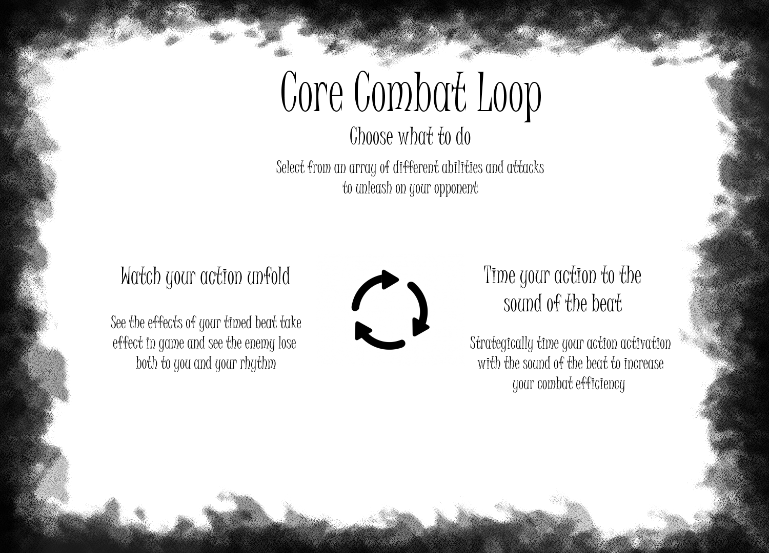

Player Actions | Pseudocode | Explanation

Beat Sync | When the Player does any action, when the action happens on the beat of the rhythm, multiply effect/do effect BaseBeat times | Increases duration, multiplies effect of action by an amount specified in the core exchange

Physical Attack | Do (PhysicalDamage x WeaponDamage x BaseDamageScalar) to Enemy every WeaponAttackSpeed and subtract from WeaponDurability | Deals damage based on the player's physical damage stat and the weapon's damage stat, deals it the damage every attack speed of the weapon

Ability (Physical) | Do (Player's Stamina - AbilityCost) | When ability is activated, take away the cost of the ability the player's stamina
Ability (Arcana) | Do (Player's Bloodpool - AbilityCost) | When ability is activated, take away the cost of the ability from the player's bloodpool
...

